Pico Pinout
Tab Description: |  | This tab represents the pinout of the Pico and how it's connected to everything on the PCB V1, it shows all of the pins, the connections as well as if that pin feature has been tested/implemented yet.
Status | Pin Purpose | Pin Connection | GPIO | Pin Number | 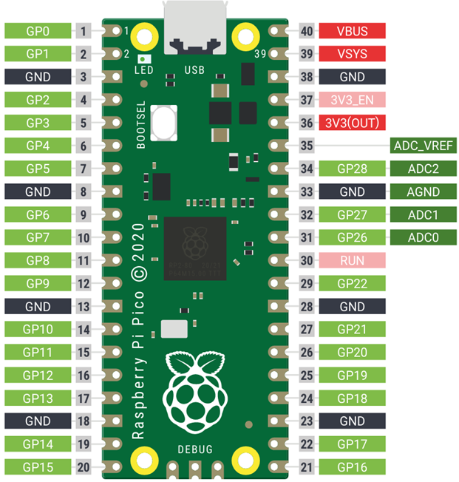 | Pin Number | GPIO | Pin Connection | Pin Purpose | Status
Unused | NC | NC | GPIO0 | 1 |  | 40 | X | NC | NC | Unused
Unused | NC | NC | GPIO1 | 2 |  | 39 | X | NC | NC | Unused
Done | GND | GND | GND | 3 |  | 38 | GND | GND | GND | Done
Needs Testing | PWM for controlling the spin of the motor in one direction | MOTOR_CTRL_1 | GPIO2 | 4 |  | 37 | X | NC | NC | Unused
Needs Testing | Changes the decay mode for the DRV8842, HIGH is fast decay, LOW is slow decay | MOTOR_DECAY | GPIO3 | 5 |  | 36 | X | 3V3 | Input Power from buck - 3V3 | Done
Needs Testing | PWM for controlling the spin of the motor in the other direction | MOTOR_CTRL_2 | GPIO4 | 6 |  | 35 | X | NC | NC | Unused
Needs Testing | Fault signal from the motor driver | MOTOR_FAULT | GPIO5 | 7 |  | 34 | GPIO28 | LOAD_CELL_INA826 | Input signal from the load cell that is connected to the INA826 | Needs Testing
Done | GND | GND | GND | 8 |  | 33 | GND | GND | GND | Done
Needs Testing | Signal for putting the motor driver to sleep | MOTOR_SLEEP | GPIO6 | 9 |  | 32 | GPIO27 | LOAD_CELL_INA125 | Input signal from the load cell that is connected to the INA125 | Needs Testing
Needs Testing | Signal for reseting the motor driver | MOTOR_RESET | GPIO7 | 10 |  | 31 | GPIO26 | MOTOR_CURRENT | Input analog signal from the motor driver for measuring the current consumption of the motor | Needs Testing
Done | Signal for the Heartbeat LED, pulses at 1Hz in normal operation, in error state switches to 5Hz | LED_HEARTBEAT | GPIO8 | 11 |  | 30 | X | NC | NC | Unused
Unused | Encoder A input signal from the motor | ENC_A | GPIO9 | 12 |  | 29 | GPIO22 | GPIO_22 | Not used | Unused
Done | GND | GND | GND | 13 |  | 28 | GND | GND | GND | Done
Unused | Encoder B input signal from the motor | ENC_B | GPIO10 | 14 |  | 27 | GPIO21 | I2C_SCL | I2C communication with the master controller | Needs Testing
Done | Signal for the Fault LED which shows if there is a fault reported by the motor driver | LED_DRV_FAULT | GPIO11 | 15 |  | 26 | GPIO20 | I2C_SDA | I2C communication with the master controller | Needs Testing
Done | Signal for the Enable LED, this LED shows if the power electronics have been enabled for the motor | LED_DRV_EN | GPIO12 | 16 |  | 25 | GPIO19 | SPI0_MOSI | Not used | Unused
Done | Signal for the Mode LED, which shows which type of software driver is currently enabled, can be configured for anything else as well | LED_CTRL_MODE | GPIO13 | 17 |  | 24 | GPIO18 | SPI0_CLK | Not used | Unused
Done | GND | GND | GND | 18 |  | 23 | GND | GND | GND | Done
Needs Testing | Connection to the HX711 for the calibration stand | HX711_SCK | GPIO14 | 19 |  | 22 | GPIO17 | SPI0_CSN | Not used | Unused
Needs Testing | Connection to the HX711 for the calibration stand | HX711_DT | GPIO15 | 20 |  | 21 | GPIO16 | SPI0_MISO | Not used | Unused

Legend
Done | Everything works as expected
Needs Testing | Still not tested and implemented
Unused | Not used for now, needs testing before use
Not Working | Testing failed

Wiring Diagrams
Tab Description: |  | This tab contains all of the wiring diagrams which require additional clarification

List of Wiring Diagrams
# | Diagram Name | Diagram Description | Number of conductors | Connections | Connector Side 1 | Connector Side 1 Picture | Connector Side 1 Link | Pinout Side 1 | Connector Side 2 | Connector Side 2 Picture | Connector Side 2 Link | Pinout Side 2 | Original Color Coded Wiring
1 | Main I2C Cable - from soft robot input connector to the first actuator | This is the cable that connects the input I2C connector on the Soft Robot with the first in line actuator on the soft robot. The wiring includes 3 signals, 2 for I2C and a common ground. Make sure that one of the actuators has jumpers for the I2C pull-ups in place for the I2C network to work properly. | 3 | 1. GND 2. I2C SCL 3. I2C SDA | Nylon 4 pin connector - Actuator side, only 3 pins used | 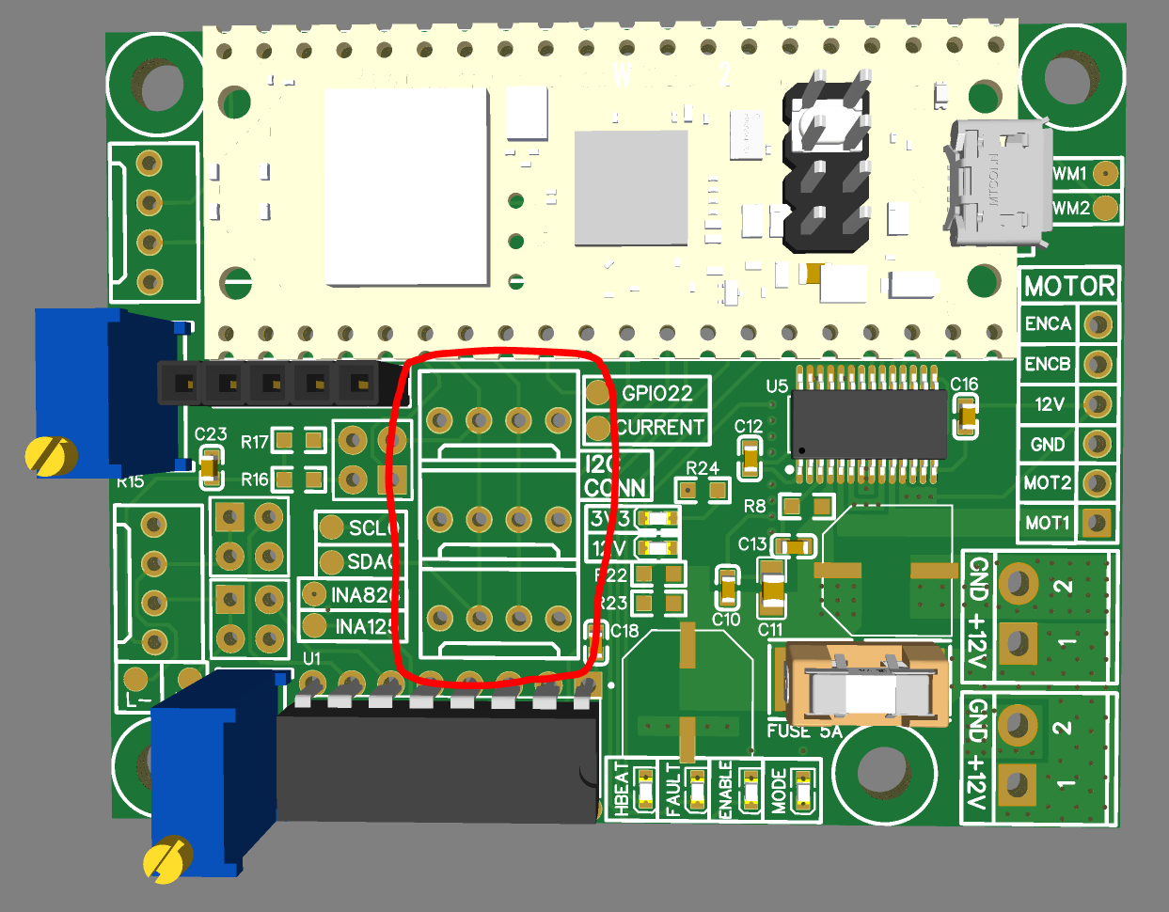 | https://www.kelco.rs/katalog/detalji.php?ID=7913 | As shown in the picture, the pinout from left to right: 1. GND 2. I2C SDA 3. I2C SCL 4. 3V3 | 3.5mm female connector | 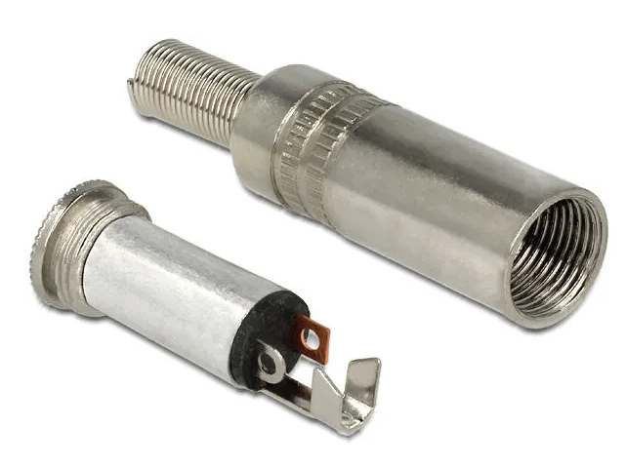 | https://www.kelco.rs/katalog/detalji.php?ID=6109 | As shown in the picture: 1. Bigger Middle Pin - GND 2. Square Pin - I2C SCL 3. Round Pin - I2C SDA | The original cable used between these 2 connectors has the next color coding: 1. Black - GND 2. Blue - I2C SCL 3. Brown - I2C SDA
2 | I2C Daisy Chain Cable - between 2 actuators | This is the cable that goes between 2 actuators so they can all be on the same I2C bus. | 3 | 1. GND 2. I2C SCL 3. I2C SDA | Nylon 4 pin connector - Actuator side, only 3 pins used |  | https://www.kelco.rs/katalog/detalji.php?ID=7913 | As shown in the picture, the pinout from left to right: 1. GND 2. I2C SDA 3. I2C SCL 4. 3V3 | Nylon 4 pin connector - Actuator side, only 3 pins used |  | https://www.kelco.rs/katalog/detalji.php?ID=7913 | As shown in the picture, the pinout from left to right: 1. GND 2. I2C SDA 3. I2C SCL 4. 3V3 | The original cable used between these 2 connectors has the next color coding: 1. Black - GND 2. Blue - I2C SCL 3. Brown - I2C SDA
3 | Main Power Cable - from PSU to emergency stop button
4 | Primary Power Cable - from emergency button to first actuator
5 | Daisy Chain Power Cable - between 2 actuators
6 | MPU6050 Cable - between IMU and an actuator
7 | Load Cell Actuator Cable - between the actuator load cell and the actuator PCB
8 | Motor Cable - between the motor and the actuator PCB
9 | Calibration Stand HX711 Cable - between the calibration stand HX711 and the actuator
10 | Calibration Stand Load Cell Cable - between the calibration stand load cell and the HX711 amplifier

